PI
 | Ninja Patches LLC
 | ADD: 1005 Mount Olive Dr- 5 Duarte CA, 91010

Price List
Customer NO: 001A |  |  | Order No.:
To: Pasadena Promos Crown Promotion Group |  |  | From: Ninja Patches LLC
Attn: Desiree Alvarado |  |  | Contact: James Smith
Tel: (626)460-6404 |  |  | Phone: (213) 814-3526
Fax: |  |  | Email: sales@ninjapatchesllc.com
Email: desiree@pasadenapromos.com |  |  | Date：2024-05-08
Item | Details | Picture | Qty(PC) | Unit of Measure | Unit price (USD/PCS) | Sum Amount (USD)
#1 | Pasadena Police Patches (set of two) Size:4-11/16 x 3-7/8 Shield, Colors: 484- Silver Grey, 324-Dark Navy, 701-Red, 546-Medium Gold and 900-Black. Standard thermo-plastic backing. | 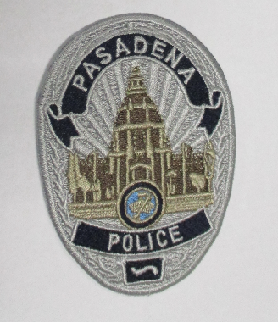 | 12,000 | Set | $0.50 | $6,000.00
#2 | Pasadena Police Cloth Badge. Size:2-1/2 x 3-1/2 Irregular Colors: 484-Silver Grey and 324-Dark Navy Blue solid embroidered background, border style stitched Standard thermo-plastic backing. | 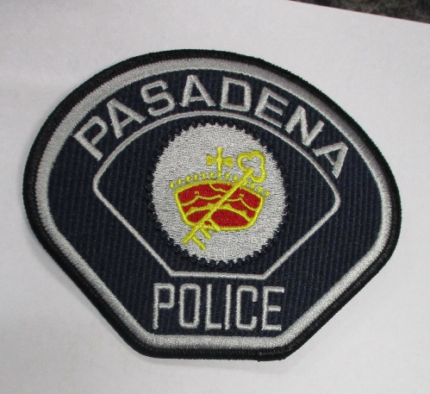 | 6,000 | pcs | $0.45 | $2,700.00
#3 | C.S.O. Size: 1 x 2-7/8 Rectangle R/C Colors:484-Silver Grey stitching, E-934-Dark Navy twill background, 900-black stitched border. Standard thermo- plastic backing. |  | 2,000 | pcs | $0.38 | $760.00
#4 | WHEEL AND ARROW (Gold) - Size:2-9/16 x1-3/16 Irregular, Colors:E-934 Dark Navy Twill Background, 900-Black Border Material Edge, 484-Silver Grey Embroidery. Standard thermo-plastic backing. | 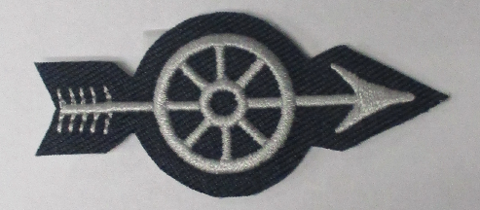 | 2,000 | pcs | $0.38 | $760.00
#5 | CHP Hashmarks (Dark Navy and Silver Grey) Size:13/16 x 1-7/8 Irregular, Colors: E-934 Dark Navy Twill background, black twill edge, Silver Grey/Dark Navy stripes). Standard thermo-plastic backing. Each Roll must have 100 continuous hashmarks. | 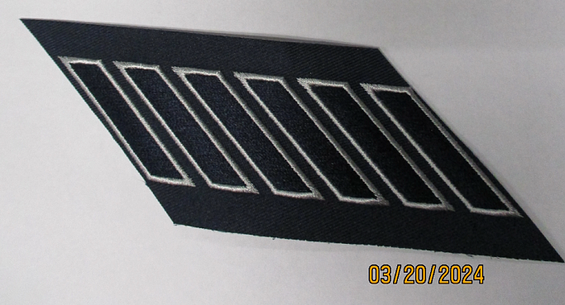 | 20 | Rolls | $0.60 | $1,200.00
#6 | Field Training Officer (aka known as Private Chevron with star) - Size:2-9/16 x 3- 1/8 Irregular, colors:324-Dark Navy, 484-Silver Grey, E-934 Twill. Standard thermo-plastic backing. | 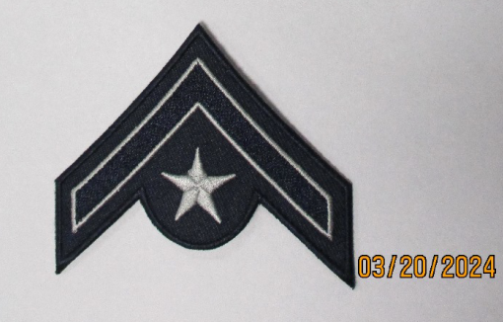 | 5,000 | pcs | $0.35 | $1,750.00
#7 | Corporal Chevron (Dark Navy/Silver Grey) Size:3-3/16 x 3 Irregular Colors:324-Dark Navy, 484-Silver Grey, E-934 Twill. Standard thermo- plastic backing. | 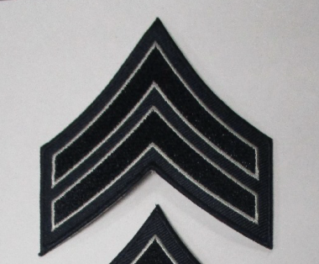 | 5,000 | pcs | $0.35 | $1,750.00
#8 | Corporal Chevron, with star (Dark Navy/Silver Grey) Size: 3-1/16 x 3-5/8 Irregular, colors:324- Dark Navy, 484-Silver Grey, E-934 Twill.. Standard thermo-plastic backing. | 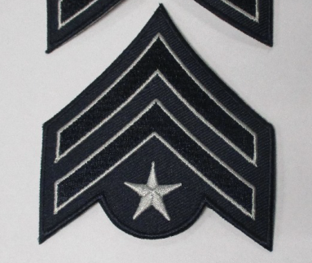 | 2,000 | pcs | $0.30 | $600.00
#9 | CHP Sergeant Chevron (Dark Navy/Silver Grey) - Size:3-1/16 x 3-3/4 Irregular, colors: 324- Dark Navy, 484-Silver Grey, E-934 Twill. Standard thermo-plastic backing. | 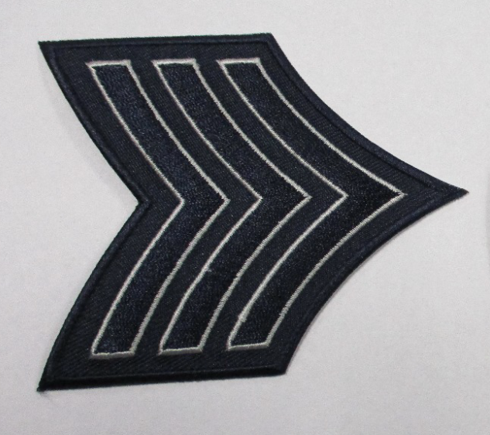 | 5,000 | pcs | $0.34 | $1,700.00
#10 | CHP Senior Sergeant Chevron (Dark Navy/Silver Grey), Size:3-1/16 x 3-15/16 Irregular colors:324- Dark Navy, 484-Silver Grey, E-934 Twill. Standard thermo-plastic backing | 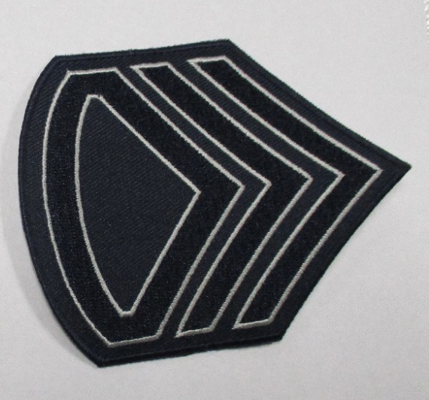 | 3,000 | pcs | $0.32 | $960.00
#11 | P.S.S. Size:1 x 2-7/8 Rectangle (R/C) - Colors:484-Silver Grey stitching, E-934-Dark Navy twill background, 900-black stitched border. Standard thermo- plastic backing | 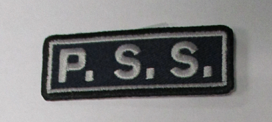 | 4,000 | pcs | $0.34 | $1,360.00
Delivery Time :

Payment Terms: 100% payment before Production

Shipping Address :

Bank Details:

Remarks：
Confirmed and Accepted by : |  |  |  |  | Confirmed and Accepted by :
NINJA PATCHES LLC
James Smith
Signature |  |  |  |  | Company Chop and Signature

